Sheet1
LAT | LONG | Number of bedrooms | Type | Rent | Images | Contact | No. of empty units
-1.227104 | 36.918387 | 3 |  | 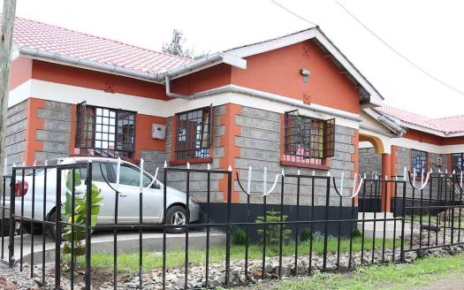 Sh. 25,000

1.222666 | 36.918243 | 3 |  | Sh. 35,000 | 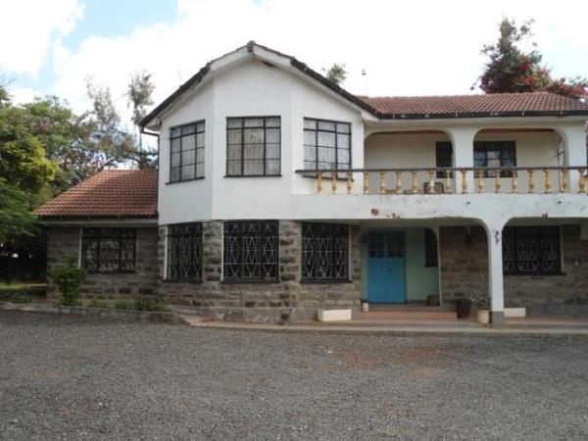

-1.221819 | 36.915376 | 3 |  | Sh. 24000 | 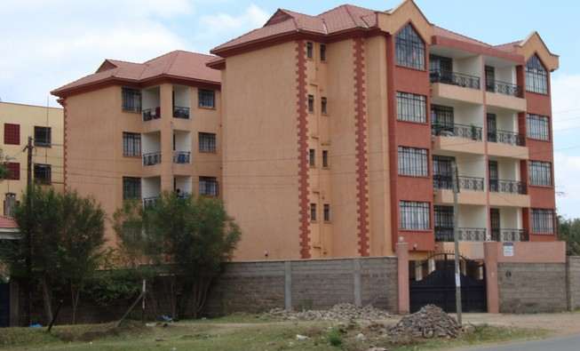

-1.221122 | 36.915773 | 3 |  | Sh. 22,000 | 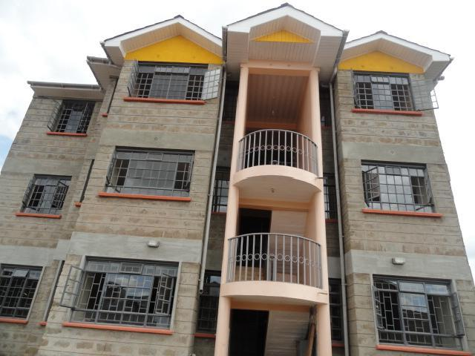

-1.220907 | 36.916267 | 3 |  | Sh.50,000 | 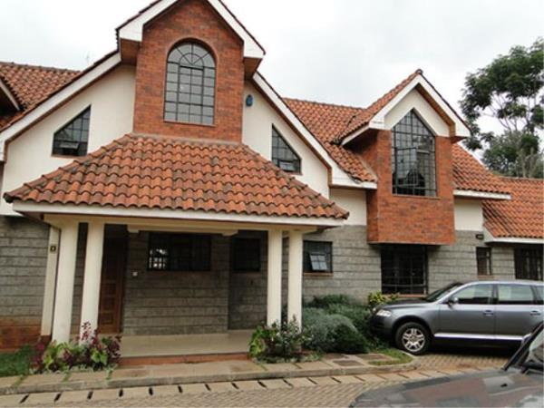

-1.222537 | 36.915977 | 3 |  | Sh. 25000 | 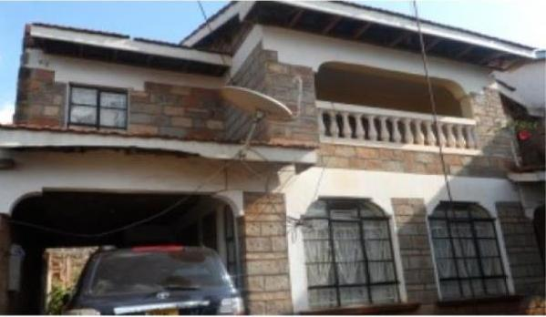

-1.219754 | 36.91372 | 3 |  | Sh. 23,000 | 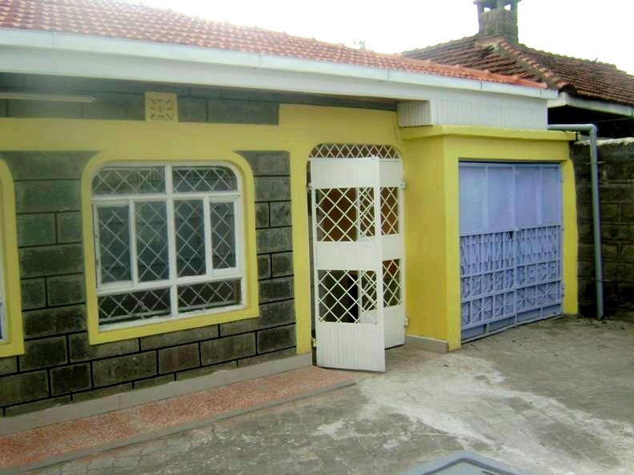

-1.218595 | 36.912797 | 3 |  | Sh. 22,500 | 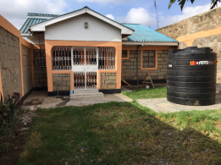

-1.21749 | 36.912046 | 3 |  | Sh. 28,000 | 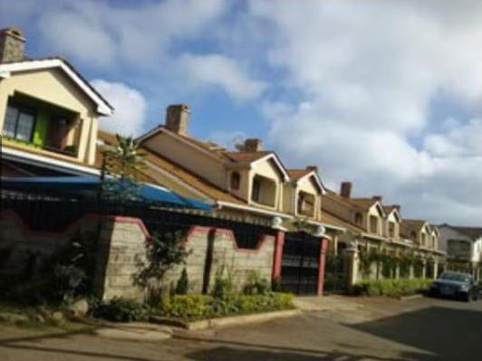

-1.217855 | 36.913033 | 3 |  | Sh. 27,000 | 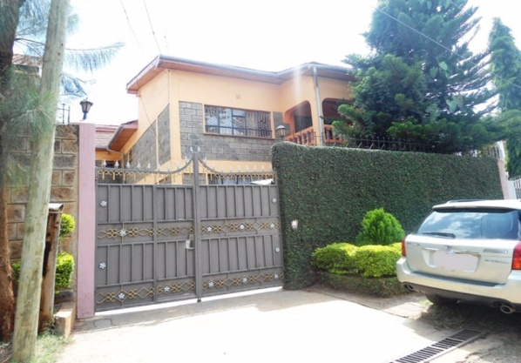

-1.226799 | 36.920494 |  |  |  | 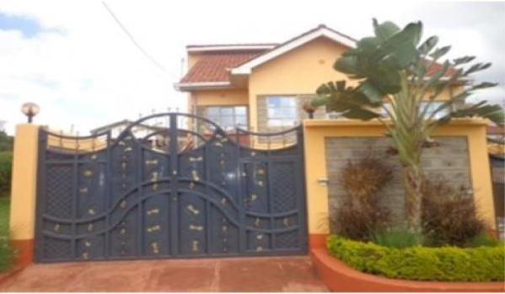

-1.226434 | 36.919947 |  | Appartment

-1.226123 | 36.919636 |  | Appartment

-1.225715 | 36.919132 |  | Appartment

-1.225458 | 36.918832 |  | Appartment

-1.225319 | 36.918521

-1.226348 | 36.920828

-1.226133 | 36.920517

-1.225908 | 36.920184

-1.224782 | 36.919465

-1.22431 | 36.918939

-1.224728 | 36.92043

-1.225028 | 36.920666

-1.2252 | 36.921009

-1.225039 | 36.921588

-1.223999 | 36.92279

-1.222797 | 6.923305

-1.223012 | 36.924314

-1.224095 | 36.926256

-1.23081 | 36.918724

-1.230735 | 36.917995

-1.231792 | 36.918918

-1.232924 | 36.918165

